Picture
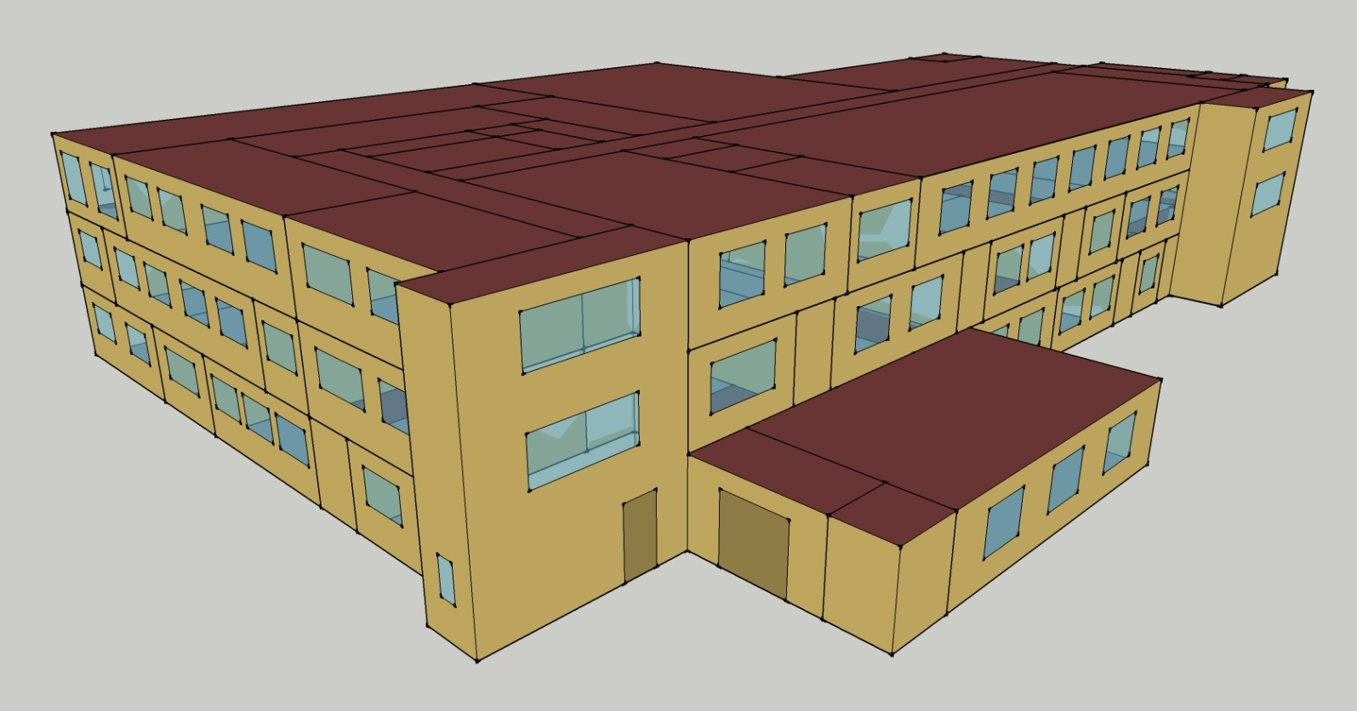
DOE Commercial Building Benchmark - Outpatient Health Care

Elec
 | Cooling | Interior Lighting | Exterior Lighting | Interior Equipment | Fans
Miami | 591,175.00 | 156,236.11 | 61,608.33 | 499,777.78 | 234,483.33
Houston | 497,258.33 | 156,236.11 | 61,586.11 | 499,777.78 | 233,108.33
Phoenix | 487,636.11 | 156,236.11 | 61,575.00 | 499,777.78 | 239,219.44
Atlanta | 383,083.33 | 156,236.11 | 61,563.89 | 499,777.78 | 231,930.56
Los Angeles | 317,280.56 | 156,236.11 | 61,516.67 | 499,777.78 | 219,658.33
Las Vegas | 385,605.56 | 156,236.11 | 61,502.78 | 499,777.78 | 234,708.33
San Francisco | 237,102.78 | 156,236.11 | 61,536.11 | 499,777.78 | 221,594.44
Baltimore | 328,241.67 | 156,236.11 | 61,500.00 | 499,777.78 | 227,780.56
Albuquerque | 284,688.89 | 156,236.11 | 61,522.22 | 499,777.78 | 259,883.33
Seattle | 211,827.78 | 156,236.11 | 61,400.00 | 499,777.78 | 222,430.56
Chicago | 255,002.78 | 156,236.11 | 61,508.33 | 499,777.78 | 225,180.56
Boulder | 231,925.00 | 156,236.11 | 61,472.22 | 499,777.78 | 251,833.33
Minneapolis | 228,186.11 | 156,236.11 | 61,469.44 | 499,777.78 | 227,100.00
Helena | 187,141.67 | 156,236.11 | 61,455.56 | 499,777.78 | 240,466.67
Duluth | 158,988.89 | 156,236.11 | 61,419.44 | 499,777.78 | 224,694.44
Fairbanks | 105,688.89 | 156,236.11 | 61,044.44 | 499,777.78 | 212,491.67

Gas
 | Heating | Water Systems
Miami | 2,125,390.00 | 28,110.00
Houston | 2,470,790.00 | 33,520.00
Phoenix | 2,541,070.00 | 30,380.00
Atlanta | 2,745,050.00 | 38,750.00
Los Angeles | 2,724,900.00 | 37,740.00
Las Vegas | 2,428,430.00 | 34,120.00
San Francisco | 3,003,760.00 | 42,220.00
Baltimore | 2,928,530.00 | 42,850.00
Albuquerque | 2,624,750.00 | 42,060.00
Seattle | 3,037,450.00 | 44,990.00
Chicago | 3,040,290.00 | 46,480.00
Boulder | 2,703,810.00 | 46,290.00
Minneapolis | 3,240,530.00 | 49,570.00
Helena | 2,981,850.00 | 50,170.00
Duluth | 3,331,820.00 | 54,750.00
Fairbanks | 3,892,890.00 | 60,970.00

EUI
 | Cooling (elec) | Interior Lighting (elec) | Exterior Lighting (elec) | Interior Equipment (elec) | Fans (elec) | Heating (gas) | Water Systems (gas)
Miami | 559.47 | 147.86 | 58.30 | 472.97 | 221.91 | 558.72 | 7.39
Houston | 470.59 | 147.86 | 58.28 | 472.97 | 220.61 | 649.52 | 8.81
Phoenix | 461.48 | 147.86 | 58.27 | 472.97 | 226.39 | 668.00 | 7.99
Atlanta | 362.54 | 147.86 | 58.26 | 472.97 | 219.49 | 721.62 | 10.19
Los Angeles | 300.26 | 147.86 | 58.22 | 472.97 | 207.88 | 716.32 | 9.92
Las Vegas | 364.93 | 147.86 | 58.20 | 472.97 | 222.12 | 638.39 | 8.97
San Francisco | 224.39 | 147.86 | 58.24 | 472.97 | 209.71 | 789.63 | 11.10
Baltimore | 310.64 | 147.86 | 58.20 | 472.97 | 215.56 | 769.85 | 11.26
Albuquerque | 269.42 | 147.86 | 58.22 | 472.97 | 245.95 | 690.00 | 11.06
Seattle | 200.47 | 147.86 | 58.11 | 472.97 | 210.50 | 798.49 | 11.83
Chicago | 241.33 | 147.86 | 58.21 | 472.97 | 213.10 | 799.23 | 12.22
Boulder | 219.49 | 147.86 | 58.18 | 472.97 | 238.33 | 710.78 | 12.17
Minneapolis | 215.95 | 147.86 | 58.17 | 472.97 | 214.92 | 851.87 | 13.03
Helena | 177.11 | 147.86 | 58.16 | 472.97 | 227.57 | 783.87 | 13.19
Duluth | 150.46 | 147.86 | 58.13 | 472.97 | 212.64 | 875.87 | 14.39
Fairbanks | 100.02 | 147.86 | 57.77 | 472.97 | 201.10 | 1023.36 | 16.03

Water
 | Total Building | Water for Electricity (m3)
Miami | 241.81 | 822.43
Houston | 262.62 | 2,425.63
Phoenix | 326.93 | 45,491.90
Atlanta | 305.75 | 8,839.86
Los Angeles | 262.79 | 22,558.20
Las Vegas | 425.30 | 41,121.90
San Francisco | 253.38 | 21,452.80
Baltimore | 346.33 | 320.03
Albuquerque | 447.02 | 6,601.07
Seattle | 282.19 | 12,682.00
Chicago | 365.53 | 2,103.13
Boulder | 453.64 | 6,381.49
Minneapolis | 399.90 | 2,130.07
Helena | 446.23 | 86,609.00
Duluth | 439.59 | 2,080.48
Fairbanks | 491.96 | 1,373.70

Carbon
 | Carbon Equivalent (kg)
Miami | 467,991.17
Houston | 545,813.23
Phoenix | 512,085.81
Atlanta | 489,723.50
Los Angeles | 203,364.28
Las Vegas | 553,358.71
San Francisco | 201,115.59
Baltimore | 437,359.06
Albuquerque | 645,329.93
Seattle | 149,390.23
Chicago | 781,796.88
Boulder | 627,078.74
Minneapolis | 532,682.91
Helena | 557,726.40
Duluth | 523,479.76
Fairbanks | 453,034.58

LghtSch
Lighting Schedules
 | Weekdays, CDD | Saturday | Sun, Hol, Other
 | 0.1 | 0.1 | 0.05
 | 0.1 | 0.1 | 0.05
 | 0.1 | 0.1 | 0.05
 | 0.1 | 0.1 | 0.05
 | 0.3 | 0.1 | 0.05
 | 0.3 | 0.1 | 0.05
 | 0.6 | 0.1 | 0.05
 | 0.9 | 0.3 | 0.05
 | 0.9 | 0.3 | 0.1
 | 0.9 | 0.4 | 0.1
 | 0.9 | 0.4 | 0.1
 | 0.9 | 0.4 | 0.1
 | 0.9 | 0.4 | 0.1
 | 0.9 | 0.4 | 0.1
 | 0.9 | 0.4 | 0.1
 | 0.9 | 0.3 | 0.1
 | 0.9 | 0.3 | 0.1
 | 0.9 | 0.3 | 0.05
 | 0.6 | 0.3 | 0.05
 | 0.6 | 0.3 | 0.05
 | 0.3 | 0.1 | 0.05
 | 0.3 | 0.1 | 0.05
 | 0.1 | 0.1 | 0.05
 | 0.1 | 0.1 | 0.05

EqpSch
Equipment Schedules
 | Weekdays, CDD | Saturday | Sun, Hol, Other
 | 0.3 | 0.3 | 0.3
 | 0.3 | 0.3 | 0.3
 | 0.3 | 0.3 | 0.3
 | 0.3 | 0.3 | 0.3
 | 0.5 | 0.3 | 0.3
 | 0.5 | 0.3 | 0.3
 | 1 | 0.3 | 0.3
 | 1 | 0.5 | 0.3
 | 1 | 0.5 | 0.5
 | 1 | 0.8 | 0.5
 | 1 | 0.8 | 0.5
 | 1 | 0.8 | 0.5
 | 1 | 0.8 | 0.5
 | 1 | 0.8 | 0.5
 | 1 | 0.8 | 0.5
 | 1 | 0.5 | 0.5
 | 1 | 0.5 | 0.5
 | 1 | 0.5 | 0.3
 | 0.5 | 0.5 | 0.3
 | 0.5 | 0.5 | 0.3
 | 0.3 | 0.3 | 0.3
 | 0.3 | 0.3 | 0.3
 | 0.3 | 0.3 | 0.3
 | 0.3 | 0.3 | 0.3

OccSch
Occupancy Schedules
 | Weekdays, CDD | Saturday | Sun, Hol, Other
 | 0.05 | 0.05 | 0
 | 0.05 | 0.05 | 0
 | 0.05 | 0.05 | 0
 | 0.05 | 0.05 | 0
 | 0.2 | 0.05 | 0
 | 0.2 | 0.05 | 0
 | 0.5 | 0.05 | 0
 | 0.9 | 0.2 | 0
 | 0.9 | 0.2 | 0.05
 | 0.9 | 0.3 | 0.05
 | 0.9 | 0.3 | 0.05
 | 0.9 | 0.3 | 0.05
 | 0.9 | 0.3 | 0.05
 | 0.9 | 0.3 | 0.05
 | 0.9 | 0.3 | 0.05
 | 0.9 | 0.2 | 0.05
 | 0.9 | 0.2 | 0.05
 | 0.9 | 0.2 | 0
 | 0.5 | 0.2 | 0
 | 0.5 | 0.2 | 0
 | 0.2 | 0.05 | 0
 | 0.2 | 0.05 | 0
 | 0.05 | 0.05 | 0
 | 0.05 | 0.05 | 0

HeatSch
Heating Set Point Schedules
 | Weekdays | Saturday | Sun, Hol, Other | Operating Rms
 | 18.3 | 18.3 | 18.3 | 18.3
 | 18.3 | 18.3 | 18.3 | 18.3
 | 18.3 | 18.3 | 18.3 | 18.3
 | 18.3 | 18.3 | 18.3 | 18.3
 | 18.3 | 18.3 | 18.3 | 18.3
 | 21.1 | 18.3 | 18.3 | 18.3
 | 21.1 | 18.3 | 18.3 | 18.3
 | 21.1 | 21.1 | 18.3 | 18.3
 | 21.1 | 21.1 | 18.3 | 18.3
 | 21.1 | 21.1 | 18.3 | 18.3
 | 21.1 | 21.1 | 18.3 | 18.3
 | 21.1 | 21.1 | 18.3 | 18.3
 | 21.1 | 21.1 | 18.3 | 18.3
 | 21.1 | 21.1 | 18.3 | 18.3
 | 21.1 | 21.1 | 18.3 | 18.3
 | 21.1 | 18.3 | 18.3 | 18.3
 | 21.1 | 18.3 | 18.3 | 18.3
 | 21.1 | 18.3 | 18.3 | 18.3
 | 18.3 | 18.3 | 18.3 | 18.3
 | 18.3 | 18.3 | 18.3 | 18.3
 | 18.3 | 18.3 | 18.3 | 18.3
 | 18.3 | 18.3 | 18.3 | 18.3
 | 18.3 | 18.3 | 18.3 | 18.3
 | 18.3 | 18.3 | 18.3 | 18.3

CoolSch
Cooling Set Point Schedules
 | Weekdays, CDD | Saturday, HDD | Sun, Hol, Other | Operating Rms
 | 25 | 25 | 25 | 22.2
 | 25 | 25 | 25 | 22.2
 | 25 | 25 | 25 | 22.2
 | 25 | 25 | 25 | 22.2
 | 25 | 25 | 25 | 22.2
 | 22.2 | 25 | 25 | 22.2
 | 22.2 | 25 | 25 | 18.3
 | 22.2 | 22.2 | 25 | 18.3
 | 22.2 | 22.2 | 25 | 18.3
 | 22.2 | 22.2 | 25 | 18.3
 | 22.2 | 22.2 | 25 | 18.3
 | 22.2 | 22.2 | 25 | 18.3
 | 22.2 | 22.2 | 25 | 18.3
 | 22.2 | 22.2 | 25 | 18.3
 | 22.2 | 22.2 | 25 | 18.3
 | 22.2 | 25 | 25 | 18.3
 | 22.2 | 25 | 25 | 18.3
 | 22.2 | 25 | 25 | 22.2
 | 25 | 25 | 25 | 22.2
 | 25 | 25 | 25 | 22.2
 | 25 | 25 | 25 | 22.2
 | 25 | 25 | 25 | 22.2
 | 25 | 25 | 25 | 22.2
 | 25 | 25 | 25 | 22.2

